About
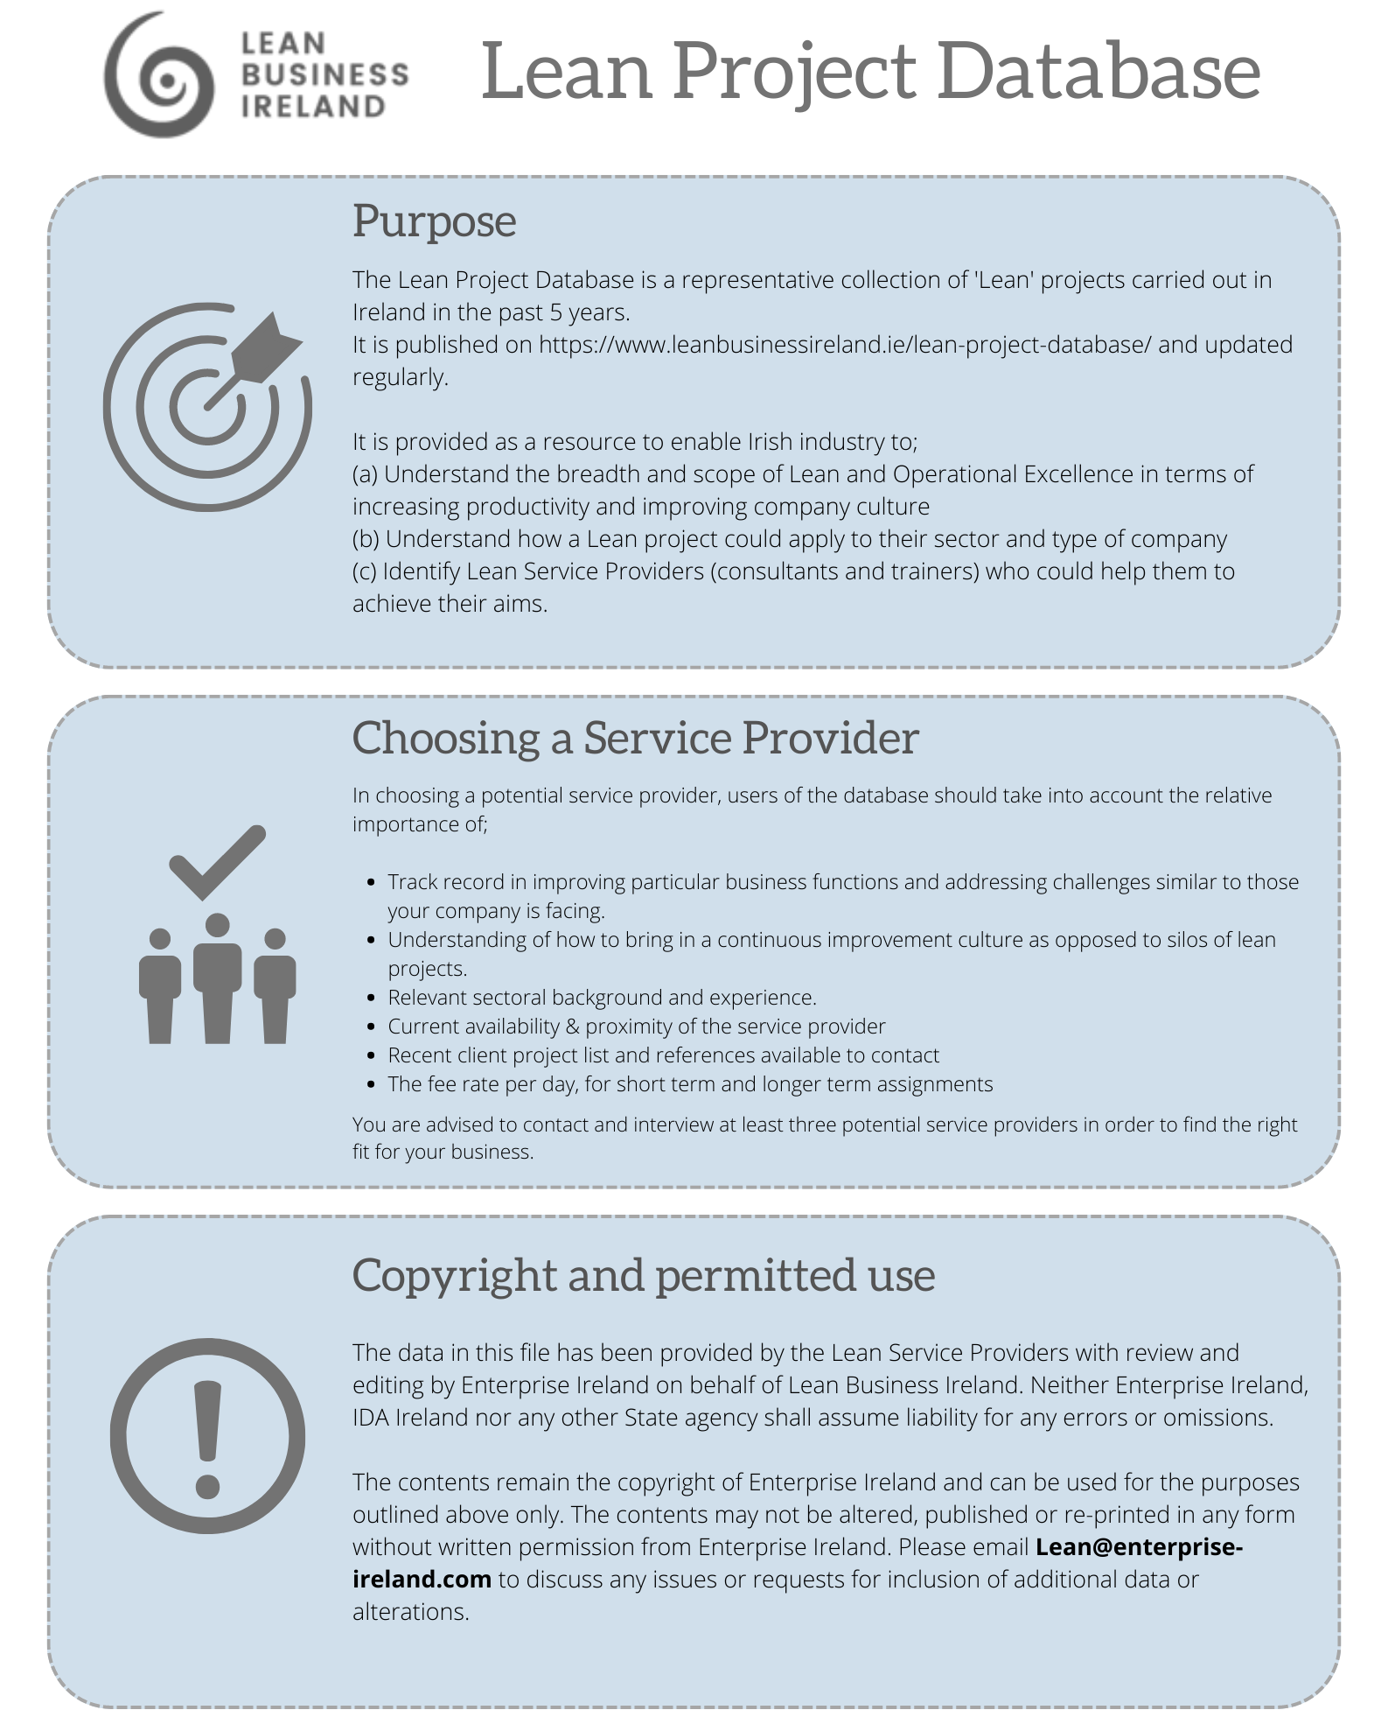
Database Last Updated : | 2024-05-24

